Sales a
 | Mary & Anna Memorial Youth Fund Used Tack Sale
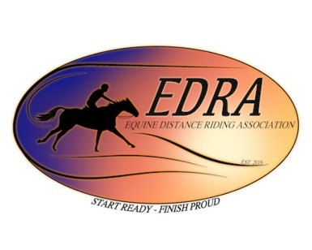
2026 EDRA CONFERENCE March 27th - 29th

Name:______________________
Cell: _______________________

Item # | Description | Unit price | Final Price | Notes

 |  | Total
 |  | Sellers 80%
Note: All unsold items must not be left behind |  | Youth 20%

Sales Total
Mary & Anna Memorial Youth Fund Used Tack Sale
2026 EDRA CONFERENCE March 27th - 29th
Sales Total / Seller 80% / Youth 20%

Sellers Name | Total | Sellers Total | Youth Total | Notes

 |  | Total | $-

